Entrance Criteria
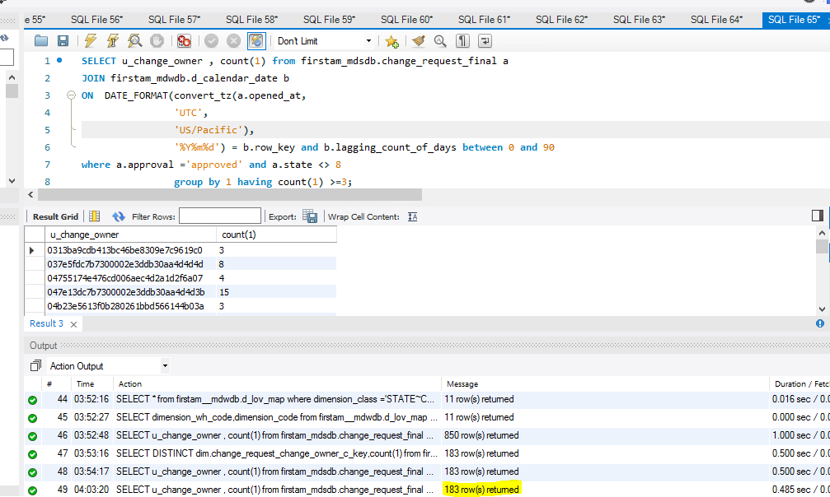

SELECT u_change_owner , count(1) from firstam_mdsdb.change_request_final a
JOIN firstam_mdwdb.d_calendar_date b
ON DATE_FORMAT(convert_tz(a.opened_at,
'UTC',
'US/Pacific'),
'%Y%m%d') = b.row_key and b.lagging_count_of_days between 0 and 90
where a.approval ='approved' and a.state <> 8
group by 1 having count(1) >=3;

Incident Deduction Factor
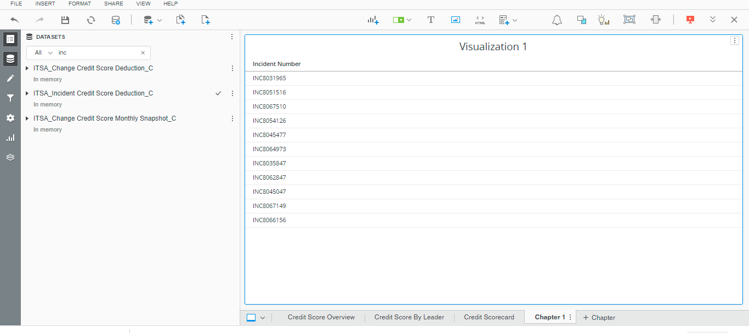

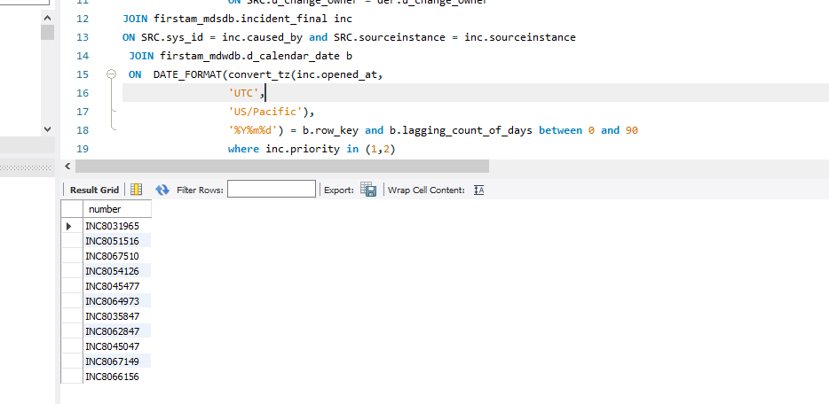

SELECT inc.number FROM firstam_mdsdb.change_request_final SRC JOIN
(SELECT u_change_owner , count(1) from firstam_mdsdb.change_request_final a
JOIN firstam_mdwdb.d_calendar_date b
ON DATE_FORMAT(convert_tz(a.opened_at,
'UTC',
'US/Pacific'),
'%Y%m%d') = b.row_key and b.lagging_count_of_days between 0 and 90
where a.approval ='approved' and a.state <> 8
group by 1 having count(1) >=3 | ) der
 |  | ON SRC.u_change_owner = der.u_change_owner
JOIN firstam_mdsdb.incident_final inc
ON SRC.sys_id = inc.caused_by and SRC.sourceinstance = inc.sourceinstance
JOIN firstam_mdwdb.d_calendar_date b
ON DATE_FORMAT(convert_tz(inc.opened_at,
'UTC',
'US/Pacific'),
'%Y%m%d') = b.row_key and b.lagging_count_of_days between 0 and 90
where inc.priority in (1,2)

CTask Obj Deduction Factor
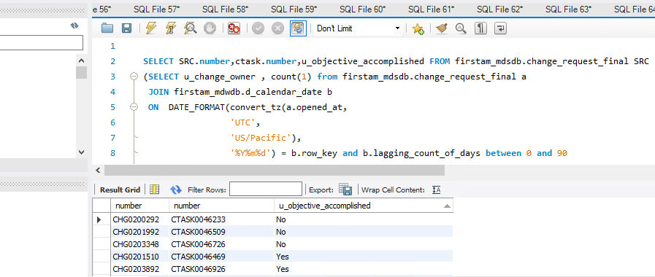

SELECT SRC.number,ctask.number,u_objective_accomplished FROM firstam_mdsdb.change_request_final SRC JOIN
(SELECT u_change_owner , count(1) from firstam_mdsdb.change_request_final a
JOIN firstam_mdwdb.d_calendar_date b
ON DATE_FORMAT(convert_tz(a.opened_at,
'UTC',
'US/Pacific'),
'%Y%m%d') = b.row_key and b.lagging_count_of_days between 0 and 90
where a.approval ='approved' and a.state <> 8
group by 1 having count(1) >=3 | ) der
 |  | ON SRC.u_change_owner = der.u_change_owner
JOIN firstam_mdsdb.change_task_final ctask
ON SRC.sys_id = ctask.change_request and SRC.sourceinstance = ctask.sourceinstance
JOIN firstam_mdwdb.d_calendar_date b
ON DATE_FORMAT(convert_tz(SRC.opened_at,
'UTC',
'US/Pacific'),
'%Y%m%d') = b.row_key and b.lagging_count_of_days between 0 and 90
where SRC.active = False and SRC.state <> 8 and u_objective_accomplished is not null ;

desc firstam_mdsdb.change_task_final;

Lead Time deduction
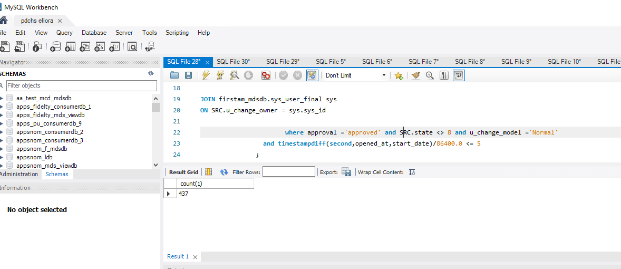

SELECT count(1) FROM firstam_mdsdb.change_request_final SRC JOIN
(SELECT u_change_owner , count(1) from firstam_mdsdb.change_request_final a
JOIN firstam_mdwdb.d_calendar_date b
ON DATE_FORMAT(convert_tz(a.opened_at,
'UTC',
'US/Pacific'),
'%Y%m%d') = b.row_key and b.lagging_count_of_days between 0 and 90
where a.approval ='approved' and a.state <> 8
group by 1 having count(1) >=3 | ) der
 |  | ON SRC.u_change_owner = der.u_change_owner

JOIN firstam_mdwdb.d_calendar_date b
ON DATE_FORMAT(convert_tz(SRC.opened_at,
'UTC',
'US/Pacific'),
'%Y%m%d') = b.row_key and b.lagging_count_of_days between 0 and 90

JOIN firstam_mdsdb.sys_user_final sys
ON SRC.u_change_owner = sys.sys_id

where approval ='approved' and SRC.state <> 8 and u_change_model ='Normal'
 |  | and timestampdiff(second,opened_at,start_date)/86400.0 <= 5
;

Emergency Changes
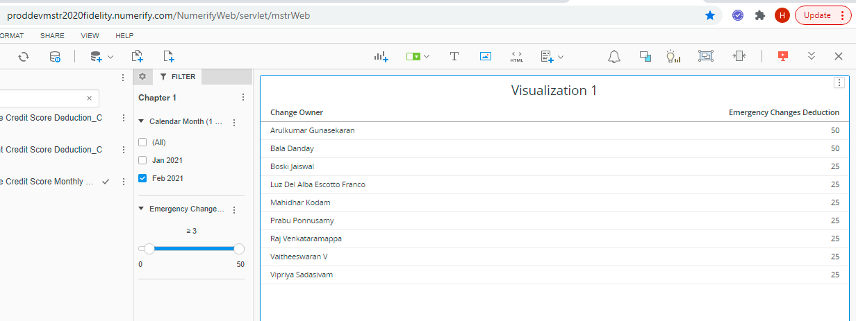

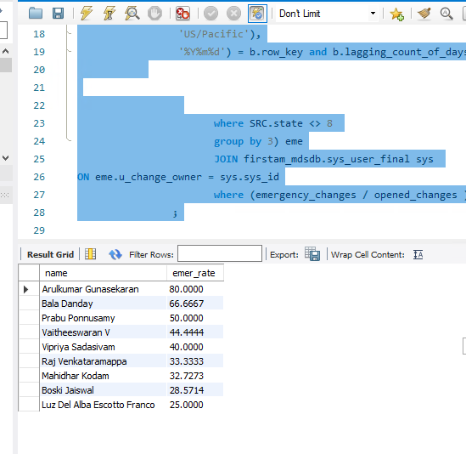

SELECT sys.name , (emergency_changes / opened_changes )*100 as emer_rate FROM

(SELECT sum(case when u_change_model ='Emergency' then 1 else 0 end ) as emergency_changes ,
count(SRC.sys_id) as opened_changes,SRC.u_change_owner FROM firstam_mdsdb.change_request_final SRC JOIN
(SELECT u_change_owner , count(1) from firstam_mdsdb.change_request_final a
JOIN firstam_mdwdb.d_calendar_date b
ON DATE_FORMAT(convert_tz(a.opened_at,
'UTC',
'US/Pacific'),
'%Y%m%d') = b.row_key and b.lagging_count_of_days between 0 and 90
where a.approval ='approved' and a.state <> 8
group by 1 having count(1) >=3 | ) der
 |  | ON SRC.u_change_owner = der.u_change_owner

JOIN firstam_mdwdb.d_calendar_date b
ON DATE_FORMAT(convert_tz(SRC.opened_at,
'UTC',
'US/Pacific'),
'%Y%m%d') = b.row_key and b.lagging_count_of_days between 0 and 90

where SRC.state <> 8
 |  |  | group by 3) eme
 |  |  | JOIN firstam_mdsdb.sys_user_final sys
ON eme.u_change_owner = sys.sys_id
 |  |  | where (emergency_changes / opened_changes )*100 >=25
 |  | ;

